TS Schematics
Status | OK
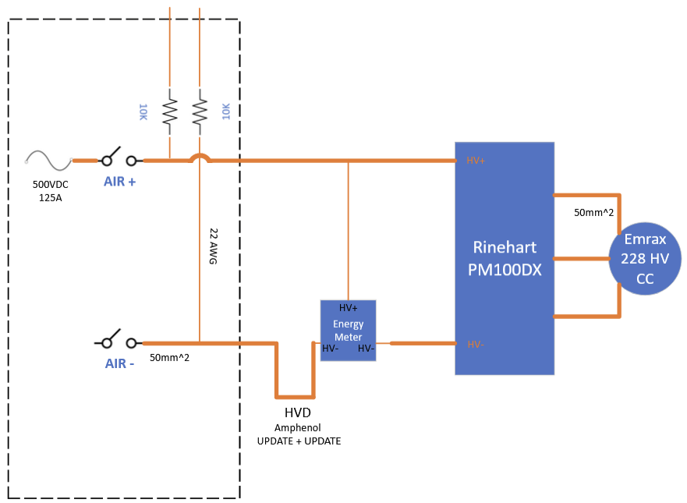 Tractive System Schematic |  |  |  |  | 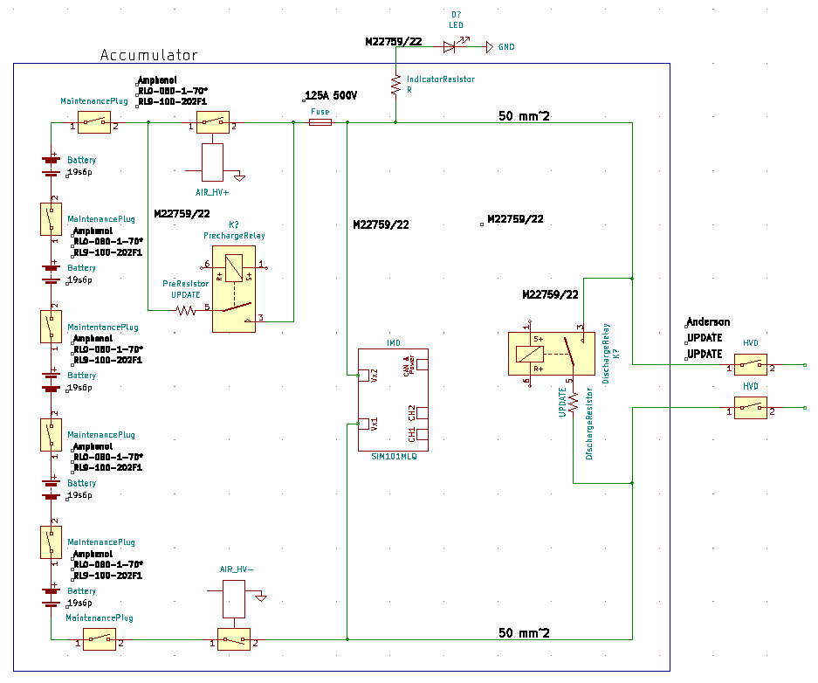 Accumulator TS Schematic |  |  |  | Additional Comments

Vehicle Tractive System Schematic Shows |  |  |  | OK | Accumulator TS Schematic Shows |  |  | OK
Rules References |  |  |  |  | Rules References
 |  | Shows details of all TS circuits outside of accumulator | TRUE | OK |  | Details of all TS circuits within accumulator | TRUE | OK
 |  | Accumulator is shown as a single element (without internal details) | TRUE | OK |  | All wire gauges labeled | TRUE | OK
 |  | All wire gauges labeled | TRUE | OK |  | All fuses labeled with ampacity | TRUE | OK
 |  | All fuses labeled with ampacity | TRUE | OK |  | All wires > 150mm have a fuse within the first 150mm from the source | TRUE | OK
 |  | All wires > 150mm have a fuse within the first 150mm from the source | TRUE | OK |  | Fuse locations represent physical location | TRUE | OK
 |  | Fuse locations represent physical location | TRUE | OK |  | Connectors labeled with Make/Model | TRUE | OK
 |  | Enclosures shown | TRUE | OK |  | Standard schematic symbols used | TRUE | OK
 |  | Connectors labeled with Make/Model | TRUE | OK |  | All text is readable (zooming is allowed) | TRUE | OK
 |  | Standard schematic symbols used | TRUE | OK | EV.6.4 | AIRs | TRUE | OK
 |  | All text is readable (zooming is allowed) | TRUE | OK | EV.6.3 | Maintenance plugs | TRUE | OK
EV.6.8 |  | TSMPs | TRUE | OK |  | Cells (details of all intercell connections may be abstracted) | TRUE | OK
 |  | Motor Controller | TRUE | OK |  | Accumulator Indicator | TRUE | OK
 |  | Motor | TRUE | OK
EV.6.8.5 |  | TSMPs not fused | TRUE | OK

Must be shown on at least one schematic |  |  |  | OK
Rules References
EV.8.6 |  | IMD | TRUE | OK
EV.6.5 |  | HVD | TRUE | OK
EV.6.6 |  | Precharge | TRUE | OK
EV.6.6 |  | Discharge | TRUE | OK
EV.4.2.3; EV.6.1.3 |  | Energy Meter | TRUE | OK
EV.6.6.1.c |  | Precharge is not fused | TRUE | OK
EV.6.6.1.c |  | Discharge is not fused | TRUE | OK

Shutdown Circuit
Status | OK
IMD |  |  |  |  | OK | BSPD |  |  |  | OK
Rules Reference |  |  | EV.8.6 |  |  | Rules Reference |  | EV.8.7
Make/Model |  |  | Bender IR155-3203 |  | OK | Current Sensor Make/Model |  | DHAB S/124 |  | OK
Setpoint |  |  | 500 | kΩ | OK | Current Sensor Datasheet |  | https://www.lem.com/sites/default/files/products_datasheets/htfs_200_800-p_sp2.pdf |  | OK
 |  |  |  |  |  | Trip Current |  | 14.6 | A | OK
 |  |  |  |  |  | Sensor Output @ Trip Current |  | 2.99 | V | OK
 |  |  |  |  |  | Accuracy @ Trip Current |  | 0.4 | A | OK
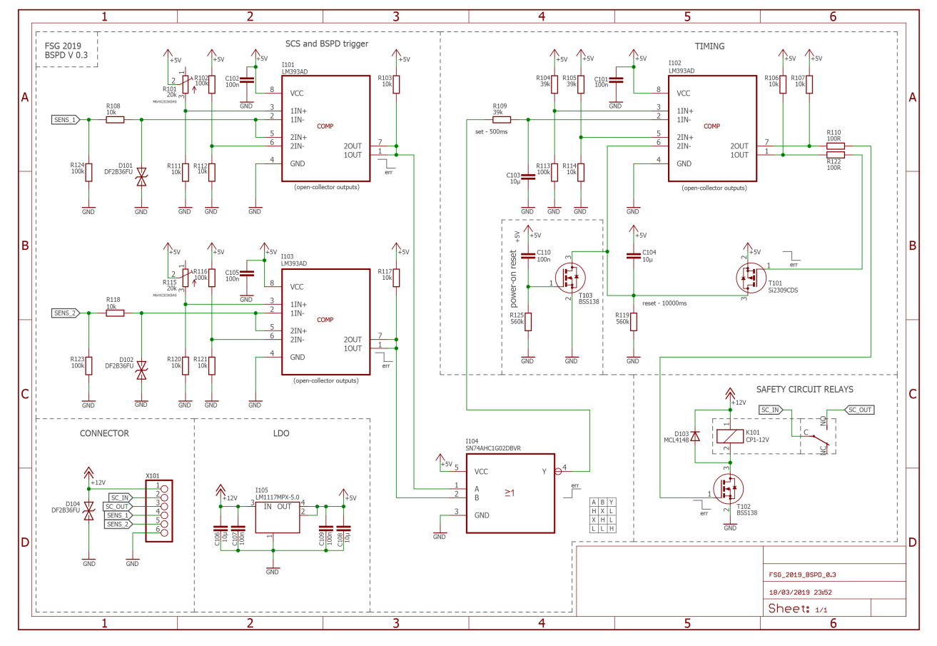
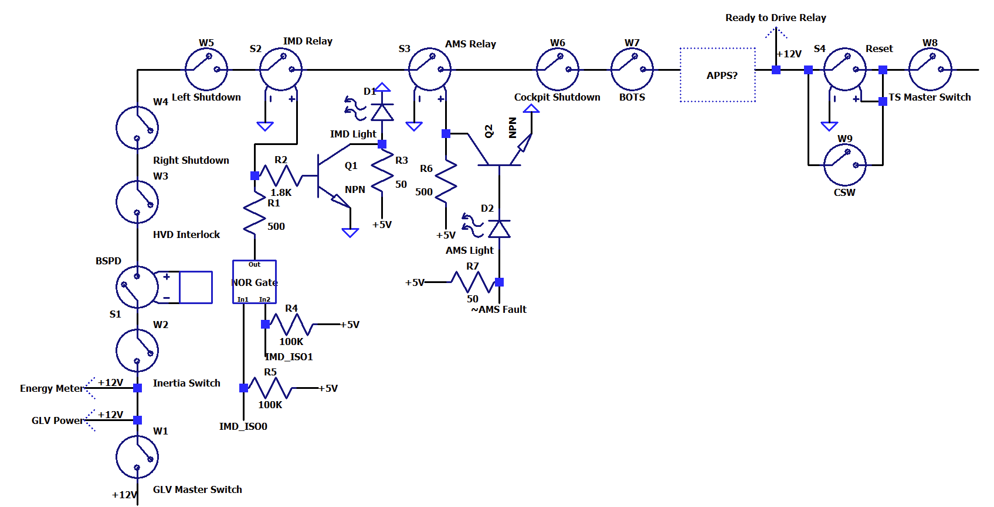 Shutdown Circuit Schematic |  |  |  |  |  |  |  |  |  | BSPD System Schematic

Shutdown Circuit Schematic Shows |  |  |  |  |  |  |  | BLANK |  | BSPD System Schematic Shows |  | BLANK
Rules References
EV.8.9 |  | GLVMS |  |  |  |  | TRUE | OK |  | BSPD Current Sensor input open/short circuit protection |  | BLANK
EV.8.9 |  | TSMS |  |  |  |  | TRUE | OK |  | BSPD Brake Position input open/short circuit protection |  | BLANK
EV.8.10 |  | 2 Side Shutdown Buttons |  |  |  |  | TRUE | OK |  | Shutdown circuit powerstage |  | BLANK
EV.8.10 |  | 1 Cockpit Shutdown Button |  |  |  |  | TRUE | OK |  | Additional Comments | Rules References
T.3.2 |  | Brake Over Travel Switch (BOTS) |  |  |  |  | TRUE | OK |  |  | EV.8.7
EV.8.8 |  | Inertia Switch |  |  |  |  | TRUE | OK
EV.8.3 |  | AMS |  |  |  |  | TRUE | OK
EV.8.6 |  | IMD |  |  |  |  | TRUE | OK
EV.8.7 |  | BSPD |  |  |  |  | TRUE | OK
EV.6.5.2 |  | HVD Interlock |  |  |  |  | TRUE | OK |  | TSAL Schematic
EV.8.1.4 |  | IMD, AMS, BSPD have independent power stages |  |  |  |  |  | BLANK
EV.5.1.3 |  | Outboard Wheel Motor Interlocks |  |  |  |  | FALSE | WARNING
 |  | GLV Battery |  |  |  |  |  | BLANK
 |  | GLV Fuse |  |  |  |  |  | BLANK
 |  | Wire Gauge |  |  |  |  |  | BLANK
EV.8.1.2 |  | Precharge Contactor coil |  |  |  |  |  | BLANK
EV.8.1.2 |  | Positive AIR coil |  |  |  |  |  | BLANK
EV.8.1.2 |  | Negative AIR coil |  |  |  |  |  | BLANK
 |  | Discharge Contactor coil |  |  |  |  |  | BLANK
EV.8.9.1; EV.8.9.3 |  | TSMS is last switch |  |  |  |  | TRUE | OK
EV.8.9.1; EV.8.9.2 |  | GLVMS is first switch |  |  |  |  | TRUE | OK
 |  | Uses proper electrical schematic symbols |  |  |  |  | TRUE | OK
 |  | Labels/text are readable (zooming in is acceptable) |  |  |  |  | TRUE | OK
EV.6.10 |  | Interlocks on TS connectors outside of an enclosure |  |  |  |  | TRUE | OK
Additional Comments |  |  |  |  |  |  | Rules References
SIM101MLQ used for IMD as legal by updated FSAE notification about extra legal IMDs. |  |  |  |  |  |  | EV.8.1 EV.8.2

 |  |  |  |  |  |  |  |  |  | TSAL Schematic Shows |  | BLANK
 |  |  |  |  |  |  |  |  |  | TSAL controlled by >60V present in TS |  | BLANK
 |  |  |  |  |  |  |  |  |  | TSAL powered by GLV |  | BLANK
 |  |  |  |  |  |  |  |  |  | TSAL flashes red when HV present and solid green when not |  | BLANK
 |  |  |  |  |  |  |  |  |  | Additional Comments | Rules References
 |  |  |  |  |  |  |  |  |  |  | EV.6.9

